Instructions
Type | Code
Single | S
Double | D
Triple | T
Tray Bin | TB | Sizing Chart
File | F | 0-400 mm |  | Size 1
In this column the drop down package choices are Basic, Classic or Designer (Light, Medium, Dark, or White).
The only choices that will show in the drop down are the options that are offered based on the Type and Package.
Blind Corner | BC | 401-600mm |  | Size 2
Place X in column to add item to the sales total.
This is a drop down menu for all of the type codes.
Dividers - enter in the number of Dividers
Grooves - enter in the number of extra grooves
Riser | RI | 601-800mm |  | Size 3
Double Height Riser | DHRI | 801-1400mm |  | Size 4
Front Riser | RIF | For Shelves:
Drawer Box | DB | All Sizes 1 , 2 and 3 are the same. Size 4 will be 801-1200 and Size 5 will be 1201-1500)
Double Height Blind Corner | DHBC
Single U-Shape | SU
Place X in column to add item to option pricing.
Enter description of item location.
Double U-Shape | DU | Packages
Drawer in a Drawer Large | DNDL | Basic
Enter the opening width for the cabinet.
Drawer in a Drawer Small | DNDS |  | Common Grade Baltic Birch
Scoops are available on most Glide-Out types. If it is not available the box will show N/A
A, B, or Both - Dividers can go in the A direction (across), the B direction (back) or in both directions.
Extra Labor | EL |  | Baltic Birch Plywood Dovetail
Extra Material | EM |  | Low Luster Finish
Melamine | MG |  | Birch Ply Bottom
Divider | DV |  | Basic Rails (BR)
For any option other than equally spaced for dividers/grooves a drawing MUST be attached.
Use the Divider Form to draw out the specifics for the unit.
12mm Shelf | SH | Classic
Slopes are available on Singles going up to a Triple height and on Doubles up to a Tray Bin height.
19mm Shelf | TSH |  | Select Grade Baltic Birch
Quantity will default to 1 and can only be changed for all items.
Thick Divider Shelf | TDS |  | Interlocking L-Joint
Divider Shelf | DS |  | High Grade Finish
Rail Replacement BR | RRBR |  | Melamine Bottom
Rail Replacement FE | RRFE |  | High Grade Full Extension Rails (FE)
Rail Replacement SC | RRSC | Designer
Rail Replacement UM | RRUM |  | Solid Maple
GlideAround 1 Layer ("Angle") | GAA1 |  | Solid Wood Dovetail Joint
GlideAround 2 Layer ("Angle") | GAA2 |  | High Grade Finish |  |  |  | Reminders
Every time the form is used the Macros must be Enabled.
GlideAround 3 Layer ("Angle") | GAA3 |  | Melamine Bottom |  | Macros
When opening the form MACROS must be ENABLED every time the form is used.
Choose Options
Select Enable this content.
Choose OK
GlideAround 1 Layer ("L") | GAL1 | Light, Medium, & Dark | Matching Ply
GlideAround 2 Layer ("L") | GAL2 |  | FE Rails
Slopes are available on Singles going up to a Triple Height and a Double going up to a Tray Bin Height.
GlideAround 3 Layer ("L") | GAL3
GlideAround Cookware Module | GAC |  | * | Designer offered in Light, |  |  |  | Minimum and Maximum
Each divider comes with 1 set of grooves. Additional grooves are an additional charge.
Minimum size for Rail is 250 mm
Maximum size for Rail is 705 mm
Maximum A for a Glide-Out is 1400 mm
Recommended Maximum B dimension for a Glide-Out is 880 mm. Note: Any Glide-Out greater than 705 mm on B dimension will not be Full Extension .
Minimum A or B for a Shelf is 260 mm
Maximum A or B for a Shelf is 1499 mm
Minimum B dimension for a Soft Cliose Rail is 305 mm.
GlideAround 1 Layer ("Angle") Birch | GAA1B |  |  | Medium, Dark, & White
GlideAround 2 Layer ("Angle") Birch | GAA2B
GlideAround 3 Layer ("Angle") Birch | GAA3B
Standard for grooves and dividers is equally spaced. Any requests other than standard require a drawing be uploaded into WishPortal.
GlideAround 1 Layer ("L") Birch | GAL1B
GlideAround 2 Layer ("L") Birch | GAL2B
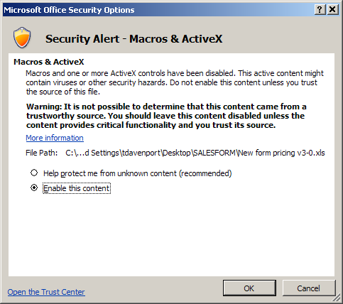
The autosave button will save your form; Last Name, date.xls.
GlideAround 3 Layer ("L") Birch | GAL3B
GlideAround Cookware Module Birch | GACB
An opening width is not necessary for products where size information is irrelevant.
GlideAround Tray Unit | GAT
GlideAround Upper Cabinet | GAU
Lazy Susan Polymer | LSP
Stile Removals (SRR) should be entered as one item on their own line.
Lazy Susan Wood | LSW
Pull Down Organizer | PD
A single layer Blind Corner is 2 BCs.
Pull Out Organzier | PO
Wood Cutlery Drawer Insert | IC
Wood Spice Drawer Insert | IS
Shelves are sold by size. Measure across and back, the dimension that is LARGER is what should be entered as the opening width.
Wood Utility Drawer Insert | IU
Custom Cutlery Insert | IU
Custom Utility Insert | MIU
Towel Bar | BT
Spice Rack | RS
Spice Rack Custom Large | SRCL |  |  |  |  | Discount
Spice Rack Custom Small | SRCS
Premium Spice Rack Custom Large | PSRCL
Premium Spice Rack Custom Small | PSRCS
Trash & Recycling Kit | TRK
Tip Out Tray | TTF
Tray Dividers | TD
Special Product | SP
To enter a discount Start in the cell labeled "Internal Use Only"
(1) Choose M, L, or M/L -
go to the cell directly to the right
(2) Enter the amount
go to the cell directly to the right
(3) Choose if the discount should be a percentage or a dollar amount
Stile Removal | SRR

Tax

Enter in the tax percentage here

